Matchups of the Week
 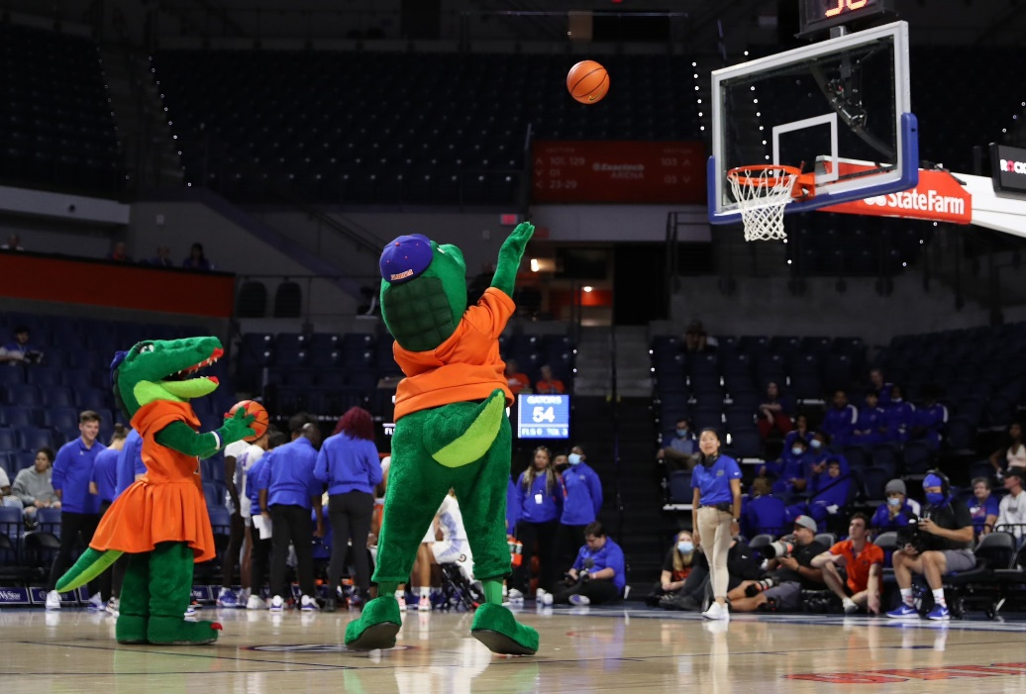 |  |  |  |  |  |  |  |  | (Data: Feb 17th) Top 12 Matchups: Tuesday Feb 18th - Monday Feb 24th
 |  |  |  |  |  |  |  | In order | SITE | TEAM | PROJ. SCORE | WIN% |  | SITE | TEAM | PROJ. SCORE | WIN%
 |  |  |  |  |  |  |  | 1 | (N) | Duke | 81 | 61.2 | 0 | (H) | Alabama | 96 | 78.9 | 7
 |  |  |  |  |  |  |  |  | (N) | Illinois | 79 | 38.8 |  | (A) | Kentucky | 88 | 21.1

 |  |  |  |  |  |  |  | 2 | (A) | Houston | 72 | 37.8 | 8 | (H) | Gonzaga | 79 | 68.2 | 8
 |  |  |  |  |  |  |  |  | (H) | Texas Tech | 76 | 62.2 | 17 | (A) | Saint Mary's | 75 | 31.8

 |  |  |  |  |  |  |  | 3 | (A) | Alabama | 87 | 44.0 |  | (H) | Michigan | 81 | 68.1 | 9
 |  |  |  |  |  |  |  |  | (H) | Missouri | 89 | 56.0 |  | (A) | Michigan St. | 77 | 31.9

 |  |  |  |  |  |  |  | 4 | (A) | Illinois | 82 | 38.0 |  | (A) | Purdue | 77 | 36.4 | 10
 |  |  |  |  |  |  |  |  | (H) | Wisconsin | 86 | 62.0 |  | (H) | Michigan St. | 81 | 63.6

 |  |  |  |  |  |  |  | 5 | (H) | Houston | 75 | 71.7 |  | (A) | Texas A&M | 74 | 38.0 | 11
 |  |  |  |  |  |  |  |  | (A) | Iowa St. | 70 | 28.3 |  | (H) | Mississippi St. | 78 | 62.0

 |  |  |  |  |  |  |  | 6 | (A) | Tennessee | 67 | 41.3 |  | (A) | Clemson | 77 | 43.3 | 12
 |  |  |  |  |  |  |  |  | (H) | Texas A&M | 70 | 58.7 |  | (H) | SMU | 80 | 56.7
Sort by Game Rank
Current Rk | Avgs | AB RK | SITE | TEAM | PROJ. SCORE | WIN%
3 | 6.5 | 2 | (N) | Duke | 81 | 61.2
3 |  | 11 | (N) | Illinois | 79 | 38.8
1 | 5 | 5 | (A) | Houston | 72 | 37.8 | 5
1 |  | 5 | (H) | Texas Tech | 76 | 62.2
2 | 6 | 4 | (A) | Alabama | 87 | 44.0
2 |  | 8 | (H) | Missouri | 89 | 56.0
4 | 9.5 | 11 | (A) | Illinois | 82 | 38.0
4 |  | 8 | (H) | Wisconsin | 86 | 62.0
5 | 10 | 5 | (H) | Houston | 75 | 71.7 | 10
5 |  | 15 | (A) | Iowa St. | 70 | 28.3
8 | 15 | 7 | (A) | Tennessee | 67 | 41.3 | 15
8 |  | 23 | (H) | Texas A&M | 70 | 58.7
7 | 13.5 | 4 | (H) | Alabama | 96 | 78.9 | 13.5
7 |  | 23 | (A) | Kentucky | 88 | 21.1
6 | 12.5 | 8 | (H) | Gonzaga | 79 | 68.2 | 12.5
6 |  | 17 | (A) | Saint Mary's | 75 | 31.8
9 | 15.5 | 14 | (H) | Michigan | 81 | 68.1
9 |  | 17 | (A) | Michigan St. | 77 | 31.9
10 | 17 | 17 | (A) | Purdue | 77 | 36.4
10 |  | 17 | (H) | Michigan St. | 81 | 63.6
11 | 23 | 23 | (A) | Texas A&M | 74 | 38.0
11 |  | 23 | (H) | Mississippi St. | 78 | 62.0
12 | 28 | 23 | (A) | Clemson | 77 | 43.3 | 28
12 |  | 33 | (H) | SMU | 80 | 56.7

